ISS reports summary
Cumulative cases w/ symptom onset or diagnosis/swab date and cumulative reported cases. Source: ISS.
 | cumulative incidence of cases w/ symptom onset date | cumulative incidence of cases w/ diagnosis/swab date | cumulative reported cases
2020-03-09 | 4555 | 7812 | 8342
2020-03-10
2020-03-11
2020-03-12 | 8331 | 13323 | 13882
2020-03-13
2020-03-14
2020-03-15
2020-03-16 | 13601 | 24346 | 25028
2020-03-17 | 16181 | 27224 | 28293
2020-03-18 | 17389 | 30722 | 31772
2020-03-19 | 18966 | 34927 | 35731
2020-03-20 | 21157 | 39981 | 42220
2020-03-21 | 22993 | 46584 | 48452
2020-03-22 | 28330 | 50246 | 52796
2020-03-23 | 29603 | 55059 | 57989
2020-03-24 | 31959 | 59203 | 62844
2020-03-25 | 34371 | 64130 | 67814
2020-03-26 | 37403 | 70418 | 73780
2020-03-27 | 44204 | 76714 | 79968
2020-03-28 | 46704 | 82510 | 85308
2020-03-29 | 48525 | 87038 | 89967
2020-03-30 | 53084 | 90972 | 94312
2020-03-31 | 55280 | 95077 | 98716
2020-04-01 | 57951 | 98500 | 102669
2020-04-02 | 60313 | 101994 | 106399
2020-04-03 | 63084 | 107342 | 112401
2020-04-04 | 65145 | 111692 | 117050
2020-04-05 | 70012 | 116363 | 120290
2020-04-06 | 71354 | 120570 | 124527
2020-04-07 | 73040 | 123801 | 127790
2020-04-08 | 75897 | 127642 | 131751
2020-04-09 | 77927 | 131995 | 136110
2020-04-10 | 77878 | 133700 | 139377
2020-04-11 | 81792 | 139347 | 143199
2020-04-12 | 82648 | 142425 | 146321
2020-04-13 | 83817 | 146233 | 150189
2020-04-14
2020-04-15 | 86392 | 151212 | 155467
2020-04-16 | 87954 | 155133 | 159107
2020-04-17 | 90191 | 157904 | 162004
2020-04-18
2020-04-19
2020-04-20 | 93188 | 165282 | 169325
2020-04-21
2020-04-22 | 95815 | 169779 | 173730
2020-04-23 | 97568 | 173325 | 177143
2020-04-24 | 109766 | 179451 | 183269
2020-04-25
2020-04-26
2020-04-27 | 118063 | 193301 | 197096
...
day of week | date | time | cumulative incidence of cases w/ symptom onset date | cumulative incidence of cases w/ diagnosis/swab date | cumulative reported cases | cumulative reported deaths
Mon | 2020-03-09 | 16:00:00 | 4555 | 7812 | 8342 | 357
Tue | 2020-03-10 | 16:00:00
Wed | 2020-03-11 | 16:00:00
Thu | 2020-03-12 | 16:00:00 | 8331 | 13323 | 13882 | 803
Fri | 2020-03-13 | 16:00:00
Sat | 2020-03-14 | 16:00:00
Sun | 2020-03-15 | 16:00:00
Mon | 2020-03-16 | 16:00:00 | 13601 | 24346 | 25028 | 1647
Tue | 2020-03-17 | 16:00:00 | 16181 | 27224 | 28293 | 2003
Wed | 2020-03-18 | 16:00:00 | 17389 | 30722 | 31772 | 2390
Thu | 2020-03-19 | 16:00:00 | 18966 | 34927 | 35731 | 3047
Fri | 2020-03-20 | 16:00:00 | 21157 | 39981 | 42220 | 3200
Sat | 2020-03-21 | 16:00:00 | 22993 | 46584 | 48452 | 3770
Sun | 2020-03-22 | 16:00:00 | 28330 | 50246 | 52796 | 4465
Mon | 2020-03-23 | 16:00:00 | 29603 | 55059 | 57989 | 5019
Tue | 2020-03-24 | 16:00:00 | 31959 | 59203 | 62844 | 5542
Wed | 2020-03-25 | 16:00:00 | 34371 | 64130 | 67814 | 6157
Thu | 2020-03-26 | 16:00:00 | 37403 | 70418 | 73780 | 6801
Fri | 2020-03-27 | 16:00:00 | 44204 | 76714 | 79968 | 7590
Sat | 2020-03-28 | 16:00:00 | 46704 | 82510 | 85308 | 8460
Sun | 2020-03-29 | 17:00:00 | 48525 | 87038 | 89967 | 9220
Mon | 2020-03-30 | 18:00:00 | 53084 | 90972 | 94312 | 10026
Tue | 2020-03-31 | 19:00:00 | 55280 | 95077 | 98716 | 10943
Wed | 2020-04-01 | 16:00:00 | 57951 | 98500 | 102669 | 11857
cumulative reported deaths. Source: ISS.
 | cumulative reported deaths
2020-03-09 | 357
2020-03-10
2020-03-11
2020-03-12 | 803
2020-03-13
2020-03-14
2020-03-15
2020-03-16 | 1647
2020-03-17 | 2003
2020-03-18 | 2390
2020-03-19 | 3047
2020-03-20 | 3200
2020-03-21 | 3770
2020-03-22 | 4465
2020-03-23 | 5019
2020-03-24 | 5542
2020-03-25 | 6157
2020-03-26 | 6801
2020-03-27 | 7590
2020-03-28 | 8460
2020-03-29 | 9220
2020-03-30 | 10026
2020-03-31 | 10943
2020-04-01 | 11857
2020-04-02 | 12550
2020-04-03 | 13241
2020-04-04 | 13828
2020-04-05 | 14381
2020-04-06 | 14860
2020-04-07 | 15751
2020-04-08 | 16162
2020-04-09 | 16654
2020-04-10 | 17364
2020-04-11 | 17916
2020-04-12 | 18366
2020-04-13 | 18641
2020-04-14
2020-04-15 | 19508
2020-04-16 | 19996
2020-04-17 | 20531
2020-04-18
2020-04-19
2020-04-20 | 21551
2020-04-21
2020-04-22 | 22586
2020-04-23 | 23188
2020-04-24 | 23576
2020-04-25
2020-04-26
2020-04-27 | 24780
...
Thu | 2020-04-02 | 16:00:00 | 60313 | 101994 | 106399 | 12550
Fri | 2020-04-03 | 16:00:00 | 63084 | 107342 | 112401 | 13241
Sat | 2020-04-04 | 16:00:00 | 65145 | 111692 | 117050 | 13828
Sun | 2020-04-05 | 16:00:00 | 70012 | 116363 | 120290 | 14381
Mon | 2020-04-06 | 16:00:00 | 71354 | 120570 | 124527 | 14860
Tue | 2020-04-07 | 16:00:00 | 73040 | 123801 | 127790 | 15751
Wed | 2020-04-08 | 16:00:00 | 75897 | 127642 | 131751 | 16162
Thu | 2020-04-09 | 16:00:00 | 77927 | 131995 | 136110 | 16654
Fri | 2020-04-10 | 16:00:00 | 77878 | 133700 | 139377 | 17364
Sat | 2020-04-11 | 16:00:00 | 81792 | 139347 | 143199 | 17916
Sun | 2020-04-12 | 16:00:00 | 82648 | 142425 | 146321 | 18366
Mon | 2020-04-13 | 16:00:00 | 83817 | 146233 | 150189 | 18641
Tue | 2020-04-14 | 16:00:00
Wed | 2020-04-15 | 16:00:00 | 86392 | 151212 | 155467 | 19508
Thu | 2020-04-16 | 16:00:00 | 87954 | 155133 | 159107 | 19996
Fri | 2020-04-17 | 16:00:00 | 90191 | 157904 | 162004 | 20531
Sat | 2020-04-18 | 16:00:00
Sun | 2020-04-19 | 16:00:00
Mon | 2020-04-20 | 16:00:00 | 93188 | 165282 | 169325 | 21551
Tue | 2020-04-21 | 16:00:00
Wed | 2020-04-22 | 16:00:00 | 95815 | 169779 | 173730 | 22586
Thu | 2020-04-23 | 16:00:00 | 97568 | 173325 | 177143 | 23188
Fri | 2020-04-24 | 16:00:00 | 109766 | 179451 | 183269 | 23576
Sat | 2020-04-25 | 16:00:00
Sun | 2020-04-26 | 16:00:00
Mon | 2020-04-27 | 16:00:00 | 118063 | 193301 | 197096 | 24780
Tue | 2020-04-28 | 16:00:00 | 125629 | 195715 | 199470 | 25215
Wed | 2020-04-29 | 16:00:00
Thu | 2020-04-30 | 16:00:00 |  |  | 203545 | 25855
Fri | 2020-05-01 | 16:00:00 | 125955 | 201077 | 204576 | 26049
Sat | 2020-05-02 | 16:00:00
Sun | 2020-05-03 | 16:00:00
Mon | 2020-05-04 | 16:00:00 | 123955 | 205891 | 209254 | 26892
Tue | 2020-05-05 | 16:00:00
Wed | 2020-05-06 | 16:00:00 | 126168 | 209216 | 212532 | 27402
Thu | 2020-05-07 | 16:00:00 | 128038 | 210792 | 214103 | 27955
Fri | 2020-05-08 | 16:00:00 | 139566 | 212385 | 215665 | 28274
Sat | 2020-05-09 | 16:00:00
Sun | 2020-05-10 | 16:00:00
Mon | 2020-05-11 | 16:00:00 | 147572 | 215808 | 218997 | 28903
Tue | 2020-05-12 | 16:00:00
Wed | 2020-05-13 | 16:00:00 | 153006 | 218123 | 221133 | 29525
Thu | 2020-05-14 | 16:00:00 | 154883 | 219189 | 222074 | 29692
Fri | 2020-05-15 | 16:00:00 | 156673 | 220513 | 223095 | 29884
Sat | 2020-05-16 | 16:00:00
Sun | 2020-05-17 | 16:00:00
Mon | 2020-05-18 | 16:00:00 | 161522 | 222939 | 225549 | 30332
Tue | 2020-05-19 | 16:00:00
Wed | 2020-05-20 | 16:00:00 | 165667 | 224706 | 227204 | 31017
Thu | 2020-05-21 | 16:00:00 | 166142 | 225054 | 227615 | 31096
Fri | 2020-05-22 | 16:00:00 | 167490 | 225788 | 228418 | 31248
Sat | 2020-05-23 | 16:00:00
Sun | 2020-05-24 | 16:00:00
Mon | 2020-05-25 | 16:00:00 | 170563 | 227719 | 230414 | 31546
Tue | 2020-05-26 | 16:00:00 | 171053 | 228125 | 230811 | 31676
Wed | 2020-05-27 | 16:00:00 | 172193 | 228388 | 231030 | 31722
Thu | 2020-05-28 | 16:00:00
Fri | 2020-05-29 | 16:00:00 | 173970 | 229701 | 232269 | 31936
Sat | 2020-05-30 | 16:00:00
Sun | 2020-05-31 | 16:00:00
Mon | 2020-06-01 | 16:00:00 | 175920 | 231076 | 233607 | 32235
Tue | 2020-06-02 | 16:00:00
Wed | 2020-06-03 | 16:00:00 | 177108 | 231617 | 234119 | 32354
Thu | 2020-06-04 | 16:00:00
Fri | 2020-06-05 | 16:00:00
Sat | 2020-06-06 | 16:00:00
Sun | 2020-06-07 | 16:00:00
Mon | 2020-06-08 | 16:00:00 | 180178 | 233784 | 235579 | 32722
Tue | 2020-06-09 | 16:00:00
Wed | 2020-06-10 | 16:00:00 | 181453 | 234316 | 236076 | 32867

Italy cases by symp. ons. 10jun
Date | Day (category mi) | raw # of cases by symptom onset (frequency fi) | rounded # of cases by symptom onset (frequency fi) | Accumulative # of cases (rounded) | raw # of cases by symptom onset (frequency fi) - provisional | rounded # of cases by symptom onset (frequency fi) - provisional | Accumulative # of cases (rounded) - provisional | mifi | mifi provisional | (mi-μ)2fi | WebPlotDigitazer digitization software (https://apps.automeris.io/wpd/) has been used to digitize from pdf graph. The points were extracted manually. The fixed value error bar refers to bar extraction algorithm. Actual errors related to the manual process may differ. |  |  | Image size (px) h x v | 2111 | x | 1587 | val. min | -1099.1 | val. max | 6639.3 | ∆x= | 10 | px | ∆val= | 1 | px
2020-01-01 | 1 |  |  |  |  |  |  |  |  |  |  |  |  |  |  | val / px | 4.8761184625 |  |  |  | Estimated Manual Extraction Error (EMEE) = |  |  |  | err. bar= | 5 | val x point
2020-01-02 | 2 |  |  |  |  |  |  |  |  |  | Sample size of the source | 181453 | Data source: | https://www.epicentro.iss.it/en/coronavirus/bollettino/Infografica_10giugno%20ENG.pdf |  |  |  |  |  |  | Estimated Axis Calibration Error (EACE) = |  |  |  | '' | '' | ''
Incidence of cases by symptom onset date from 24-jan to 10-jun 2020. Source: ISS*. (*manual extraction from source graph)
 | rounded # of cases by symptom onset (frequency fi) | rounded # of cases by symptom onset (frequency fi) - provisional
2020-01-25
2020-01-26
2020-01-27
2020-01-28
2020-01-29 | 16
2020-01-30 | 16
2020-01-31 | 16
2020-02-01 | 51
2020-02-02 | 31
2020-02-03 | 26
2020-02-04 | 23
2020-02-05 | 25
2020-02-06 | 26
2020-02-07 | 21
2020-02-08 | 11
2020-02-09 | 16
2020-02-10 | 65
2020-02-11 | 26
2020-02-12 | 41
2020-02-13 | 46
2020-02-14 | 65
2020-02-15 | 143
2020-02-16 | 85
2020-02-17 | 129
2020-02-18 | 168
2020-02-19 | 134
2020-02-20 | 407
2020-02-21 | 309
2020-02-22 | 387
2020-02-23 | 534
2020-02-24 | 700
2020-02-25 | 846
2020-02-26 | 807
2020-02-27 | 905
2020-02-28 | 1217
2020-02-29 | 1076
2020-03-01 | 2482
2020-03-02 | 1925
2020-03-03 | 2252
2020-03-04 | 1964
2020-03-05 | 2653
2020-03-06 | 2999
2020-03-07 | 3165
2020-03-08 | 3639
2020-03-09 | 4474
2020-03-10 | 6153
2020-03-11 | 4284
2020-03-12 | 4791
2020-03-13 | 5240
2020-03-14 | 4669
...
https://www.epicentro.iss.it/en/coronavirus/bollettino/Infografica_10giugno%20ENG.pdf
2020-01-03 | 3 |  |  |  |  |  |  |  |  |  | Sample size of the extracted ds | 181713 | 260
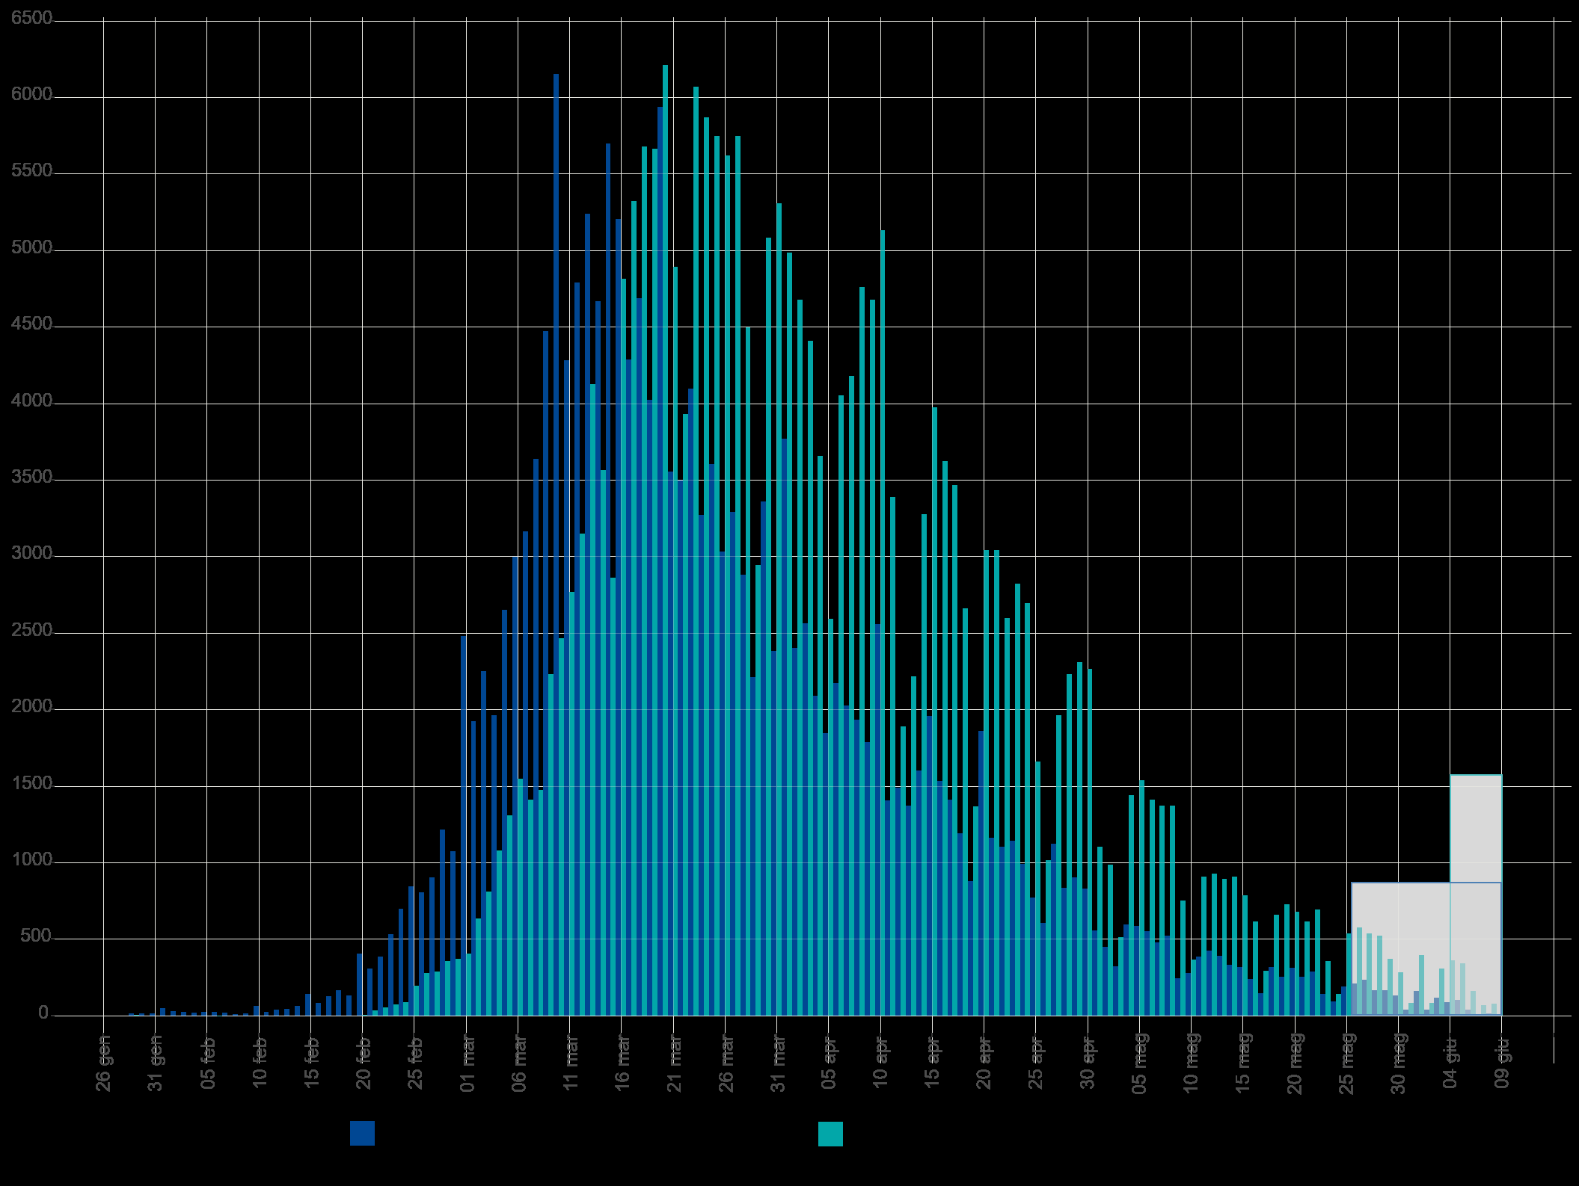
2020-01-04 | 4 |  |  |  |  |  |  |  |  |  | Blue area sample size | 180180 | excess-->
2020-01-05 | 5 |  |  |  |  |  |  |  |  |  | Grey area sample size | 1533
2020-01-06 | 6 |  |  |  |  |  |  |  |  |  |  | Day of the year | DD-Mmm
2020-01-07 | 7 |  |  |  |  |  |  |  |  |  | Mean of extracted sample* | 86 | 2020-03-26
2020-01-08 | 8 |  |  |  |  |  |  |  |  |  | Mean of blue area sample | 85 | 2020-03-25
2020-01-09 | 9 |  |  |  |  |  |  |  |  |  | SD of blue area sample | 19
2020-01-10 | 10 |  |  |  |  |  |  |  |  |  | (*the standard error of the sample mean (SEM) is negligible)
2020-01-11 | 11 |  |  |  |  |  |  |  |  |  | Mode of blue area sample | 70 | 2020-03-10
2020-01-12 | 12 |  |  |  |  |  |  |  |  |  | Median of blue area sample** | 80 | 2020-03-20
2020-01-13 | 13 |  |  |  |  |  |  |  |  |  | (**approx. ± 1 day)
2020-01-14 | 14
2020-01-15 | 15
2020-01-16 | 16
2020-01-17 | 17
2020-01-18 | 18
2020-01-19 | 19
2020-01-20 | 20
2020-01-21 | 21
2020-01-22 | 22
2020-01-23 | 23
2020-01-24 | 24
2020-01-25 | 25
2020-01-26 | 26
2020-01-27 | 27
2020-01-28 | 28
2020-01-29 | 29 | 16 | 16 | 16 |  |  |  | 464 |  | 50176
2020-01-30 | 30 | 16 | 16 | 32 |  |  |  | 480 |  | 48400
2020-01-31 | 31 | 16 | 16 | 48 |  |  |  | 496 |  | 46656
2020-02-01 | 32 | 51 | 51 | 99 |  |  |  | 1632 |  | 143259
2020-02-02 | 33 | 31 | 31 | 130 |  |  |  | 1023 |  | 83824
2020-02-03 | 34 | 26 | 26 | 156 |  |  |  | 884 |  | 67626
2020-02-04 | 35 | 23 | 23 | 179 |  |  |  | 805 |  | 57500
2020-02-05 | 36 | 25 | 25 | 204 |  |  |  | 900 |  | 60025
2020-02-06 | 37 | 26 | 26 | 230 |  |  |  | 962 |  | 59904
2020-02-07 | 38 | 21 | 21 | 251 |  |  |  | 798 |  | 46389
2020-02-08 | 39 | 11 | 11 | 262 |  |  |  | 429 |  | 23276
2020-02-09 | 40 | 16 | 16 | 278 |  |  |  | 640 |  | 32400
2020-02-10 | 41 | 65 | 65 | 343 |  |  |  | 2665 |  | 125840
Accumulative # of cases by symptom onset date from 24-jan to 10-jun 2020. Source: ISS*. (*manual extraction from source graph)
 | Accumulative # of cases (rounded) | Accumulative # of cases (rounded) - provisional
2020-01-25
2020-01-26
2020-01-27
2020-01-28
2020-01-29 | 16
2020-01-30 | 32
2020-01-31 | 48
2020-02-01 | 99
2020-02-02 | 130
2020-02-03 | 156
2020-02-04 | 179
2020-02-05 | 204
2020-02-06 | 230
2020-02-07 | 251
2020-02-08 | 262
2020-02-09 | 278
2020-02-10 | 343
2020-02-11 | 369
2020-02-12 | 410
2020-02-13 | 456
2020-02-14 | 521
2020-02-15 | 664
2020-02-16 | 749
2020-02-17 | 878
2020-02-18 | 1046
2020-02-19 | 1180
2020-02-20 | 1587
2020-02-21 | 1896
2020-02-22 | 2283
2020-02-23 | 2817
2020-02-24 | 3517
2020-02-25 | 4363
2020-02-26 | 5170
2020-02-27 | 6075
2020-02-28 | 7292
2020-02-29 | 8368
2020-03-01 | 10850
2020-03-02 | 12775
2020-03-03 | 15027
2020-03-04 | 16991
2020-03-05 | 19644
2020-03-06 | 22643
2020-03-07 | 25808
2020-03-08 | 29447
2020-03-09 | 33921
2020-03-10 | 40074
2020-03-11 | 44358
2020-03-12 | 49149
2020-03-13 | 54389
2020-03-14 | 59058
...
https://www.epicentro.iss.it/en/coronavirus/bollettino/Infografica_10giugno%20ENG.pdf
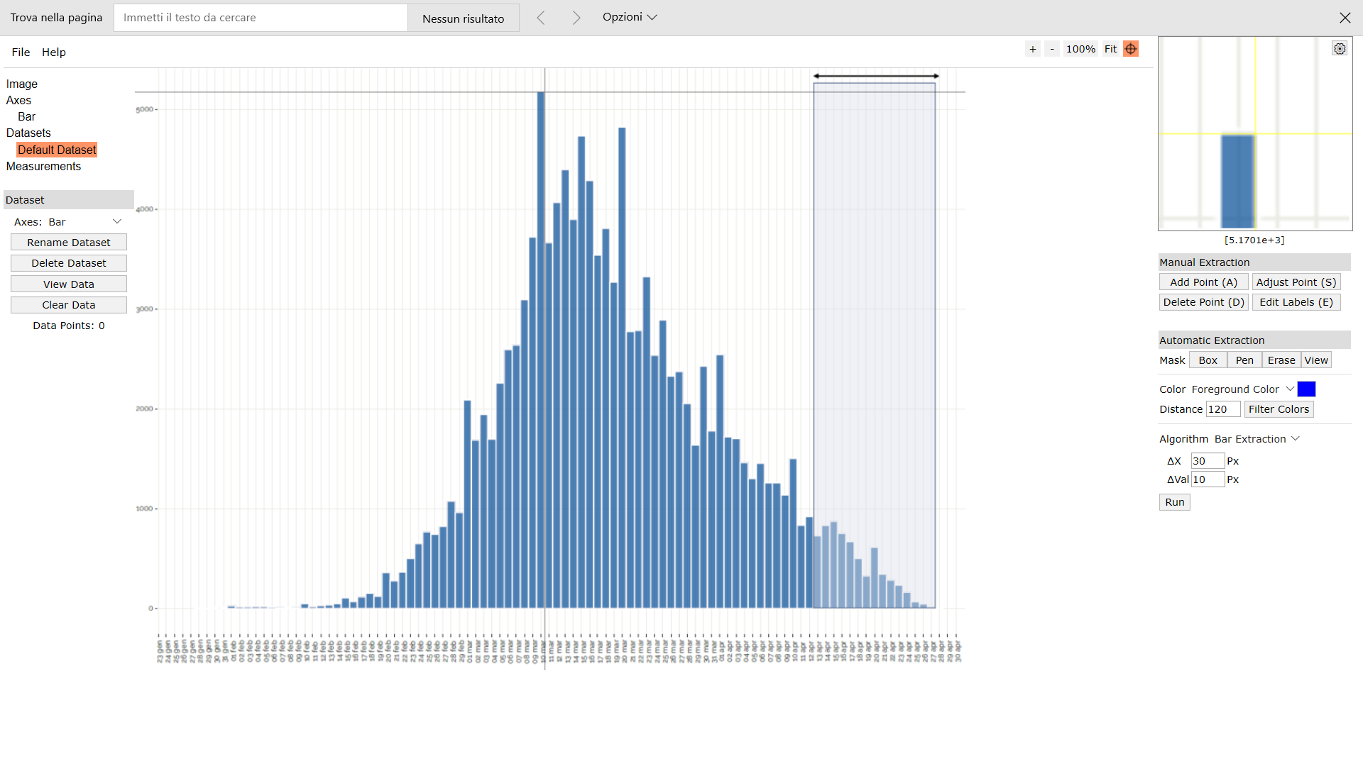
Digitizer example page
2020-02-11 | 42 | 26 | 26 | 369 |  |  |  | 1092 |  | 48074
2020-02-12 | 43 | 41 | 41 | 410 |  |  |  | 1763 |  | 72324
2020-02-13 | 44 | 46 | 46 | 456 |  |  |  | 2024 |  | 77326
2020-02-14 | 45 | 65 | 65 | 521 |  |  |  | 2925 |  | 104000
2020-02-15 | 46 | 143 | 143 | 664 |  |  |  | 6578 |  | 217503
2020-02-16 | 47 | 85 | 85 | 749 |  |  |  | 3995 |  | 122740
2020-02-17 | 48 | 129 | 129 | 878 |  |  |  | 6192 |  | 176601
2020-02-18 | 49 | 168 | 168 | 1046 |  |  |  | 8232 |  | 217728
2020-02-19 | 50 | 134 | 134 | 1180 |  |  |  | 6700 |  | 164150
2020-02-20 | 51 | 407 | 407 | 1587 |  |  |  | 20757 |  | 470492
2020-02-21 | 52 | 309 | 309 | 1896 |  |  |  | 16068 |  | 336501
2020-02-22 | 53 | 387 | 387 | 2283 |  |  |  | 20511 |  | 396288
2020-02-23 | 54 | 534 | 534 | 2817 |  |  |  | 28836 |  | 513174
2020-02-24 | 55 | 700 | 700 | 3517 |  |  |  | 38500 |  | 630000
2020-02-25 | 56 | 846 | 846 | 4363 |  |  |  | 47376 |  | 711486
2020-02-26 | 57 | 807 | 807 | 5170 |  |  |  | 45999 |  | 632688
2020-02-27 | 58 | 905 | 905 | 6075 |  |  |  | 52490 |  | 659745
2020-02-28 | 59 | 1217 | 1217 | 7292 |  |  |  | 71803 |  | 822692
2020-02-29 | 60 | 1076 | 1076 | 8368 |  |  |  | 64560 |  | 672500
2020-03-01 | 61 | 2482 | 2482 | 10850 |  |  |  | 151402 |  | 1429632
2020-03-02 | 62 | 1925 | 1925 | 12775 |  |  |  | 119350 |  | 1018325
2020-03-03 | 63 | 2252 | 2252 | 15027 |  |  |  | 141876 |  | 1089968
2020-03-04 | 64 | 1964 | 1964 | 16991 |  |  |  | 125696 |  | 866124
2020-03-05 | 65 | 2653 | 2653 | 19644 |  |  |  | 172445 |  | 1061200
2020-03-06 | 66 | 2999 | 2999 | 22643 |  |  |  | 197934 |  | 1082639
2020-03-07 | 67 | 3165 | 3165 | 25808 |  |  |  | 212055 |  | 1025460
2020-03-08 | 68 | 3639 | 3639 | 29447 |  |  |  | 247452 |  | 1051671
2020-03-09 | 69 | 4474 | 4474 | 33921 |  |  |  | 308706 |  | 1145344
2020-03-10 | 70 | 6153 | 6153 | 40074 |  |  |  | 430710 |  | 1384425
2020-03-11 | 71 | 4284 | 4284 | 44358 |  |  |  | 304164 |  | 839664
2020-03-12 | 72 | 4791 | 4791 | 49149 |  |  |  | 344952 |  | 809679
2020-03-13 | 73 | 5240 | 5240 | 54389 |  |  |  | 382520 |  | 754560 |  |  |  |  |  |  |  |  |  |  |  |  |  |  |  | Author: Ankit Rohatgi Title: WebPlotDigitizer Website: https://automeris.io/WebPlotDigitizer Version: 4.2 Date: April, 2019 E-Mail: ankitrohatgi@hotmail.com Location: San Francisco, California, USA
2020-03-14 | 74 | 4669 | 4669 | 59058 |  |  |  | 345506 |  | 564949
2020-03-15 | 75 | 5699 | 5699 | 64757 |  |  |  | 427425 |  | 569900
2020-03-16 | 76 | 5206 | 5206 | 69963 |  |  |  | 395656 |  | 421686
2020-03-17 | 77 | 4288 | 4288 | 74251 |  |  |  | 330176 |  | 274432
2020-03-18 | 78 | 4689 | 4689 | 78940 |  |  |  | 365742 |  | 229761
2020-03-19 | 79 | 4025 | 4025 | 82965 |  |  |  | 317975 |  | 144900
2020-03-20 | 80 | 5939 | 5939 | 88904 |  |  |  | 475120 |  | 148475
2020-03-21 | 81 | 3556 | 3556 | 92460 |  |  |  | 288036 |  | 56896
2020-03-22 | 82 | 3497 | 3497 | 95957 |  |  |  | 286754 |  | 31473
2020-03-23 | 83 | 4098 | 4098 | 100055 |  |  |  | 340134 |  | 16392
2020-03-24 | 84 | 3273 | 3273 | 103328 |  |  |  | 274932 |  | 3273
2020-03-25 | 85 | 3605 | 3605 | 106933 |  |  |  | 306425 |  | 0
2020-03-26 | 86 | 3034 | 3034 | 109967 |  |  |  | 260924 |  | 3034
2020-03-27 | 87 | 3292 | 3292 | 113259 |  |  |  | 286404 |  | 13168
2020-03-28 | 88 | 2882 | 2882 | 116141 |  |  |  | 253616 |  | 25938
2020-03-29 | 89 | 2213 | 2213 | 118354 |  |  |  | 196957 |  | 35408
2020-03-30 | 90 | 3361 | 3361 | 121715 |  |  |  | 302490 |  | 84025
2020-03-31 | 91 | 2384 | 2384 | 124099 |  |  |  | 216944 |  | 85824
2020-04-01 | 92 | 3771 | 3771 | 127870 |  |  |  | 346932 |  | 184779
2020-04-02 | 93 | 2404 | 2404 | 130274 |  |  |  | 223572 |  | 153856
2020-04-03 | 94 | 2565 | 2565 | 132839 |  |  |  | 241110 |  | 207765
2020-04-04 | 95 | 2091 | 2091 | 134930 |  |  |  | 198645 |  | 209100
2020-04-05 | 96 | 1847 | 1847 | 136777 |  |  |  | 177312 |  | 223487
2020-04-06 | 97 | 2174 | 2174 | 138951 |  |  |  | 210878 |  | 313056
2020-04-07 | 98 | 2028 | 2028 | 140979 |  |  |  | 198744 |  | 342732
2020-04-08 | 99 | 1935 | 1935 | 142914 |  |  |  | 191565 |  | 379260
2020-04-09 | 100 | 1789 | 1789 | 144703 |  |  |  | 178900 |  | 402525
2020-04-10 | 101 | 2560 | 2560 | 147263 |  |  |  | 258560 |  | 655360
2020-04-11 | 102 | 1408 | 1408 | 148671 |  |  |  | 143616 |  | 406912
2020-04-12 | 103 | 1491 | 1491 | 150162 |  |  |  | 153573 |  | 483084
2020-04-13 | 104 | 1374 | 1374 | 151536 |  |  |  | 142896 |  | 496014
2020-04-14 | 105 | 1603 | 1603 | 153139 |  |  |  | 168315 |  | 641200
2020-04-15 | 106 | 1960 | 1960 | 155099 |  |  |  | 207760 |  | 864360
2020-04-16 | 107 | 1535 | 1535 | 156634 |  |  |  | 164245 |  | 742940
2020-04-17 | 108 | 1413 | 1413 | 158047 |  |  |  | 152604 |  | 747477
2020-04-18 | 109 | 1193 | 1193 | 159240 |  |  |  | 130037 |  | 687168
2020-04-19 | 110 | 881 | 881 | 160121 |  |  |  | 96910 |  | 550625
2020-04-20 | 111 | 1862 | 1862 | 161983 |  |  |  | 206682 |  | 1258712
2020-04-21 | 112 | 1164 | 1164 | 163147 |  |  |  | 130368 |  | 848556
2020-04-22 | 113 | 1105 | 1105 | 164252 |  |  |  | 124865 |  | 866320
2020-04-23 | 114 | 1144 | 1144 | 165396 |  |  |  | 130416 |  | 962104
2020-04-24 | 115 | 993 | 993 | 166389 |  |  |  | 114195 |  | 893700
2020-04-25 | 116 | 773 | 773 | 167162 |  |  |  | 89668 |  | 742853
2020-04-26 | 117 | 607 | 607 | 167769 |  |  |  | 71019 |  | 621568
2020-04-27 | 118 | 1125 | 1125 | 168894 |  |  |  | 132750 |  | 1225125
2020-04-28 | 119 | 837 | 837 | 169731 |  |  |  | 99603 |  | 967572
2020-04-29 | 120 | 905 | 905 | 170636 |  |  |  | 108600 |  | 1108625
2020-04-30 | 121 | 832 | 832 | 171468 |  |  |  | 100672 |  | 1078272
2020-05-01 | 122 | 558 | 558 | 172026 |  |  |  | 68076 |  | 763902
2020-05-02 | 123 | 451 | 451 | 172477 |  |  |  | 55473 |  | 651244
2020-05-03 | 124 | 324 | 324 | 172801 |  |  |  | 40176 |  | 492804
2020-05-04 | 125 | 597 | 597 | 173398 |  |  |  | 74625 |  | 955200
2020-05-05 | 126 | 588 | 588 | 173986 |  |  |  | 74088 |  | 988428
2020-05-06 | 127 | 553 | 553 | 174539 |  |  |  | 70231 |  | 975492
2020-05-07 | 128 | 480 | 480 | 175019 |  |  |  | 61440 |  | 887520
2020-05-08 | 129 | 524 | 524 | 175543 |  |  |  | 67596 |  | 1014464
2020-05-09 | 130 | 246 | 246 | 175789 |  |  |  | 31980 |  | 498150
2020-05-10 | 131 | 280 | 280 | 176069 |  |  |  | 36680 |  | 592480
2020-05-11 | 132 | 387 | 387 | 176456 |  |  |  | 51084 |  | 854883
2020-05-12 | 133 | 426 | 426 | 176882 |  |  |  | 56658 |  | 981504
2020-05-13 | 134 | 392 | 392 | 177274 |  |  |  | 52528 |  | 941192
2020-05-14 | 135 | 334 | 334 | 177608 |  |  |  | 45090 |  | 835000
2020-05-15 | 136 | 319 | 319 | 177927 |  |  |  | 43384 |  | 829719
2020-05-16 | 137 | 241 | 241 | 178168 |  |  |  | 33017 |  | 651664
2020-05-17 | 138 | 148 | 148 | 178316 |  |  |  | 20424 |  | 415732
2020-05-18 | 139 | 319 | 319 | 178635 |  |  |  | 44341 |  | 930204
2020-05-19 | 140 | 256 | 256 | 178891 |  |  |  | 35840 |  | 774400
2020-05-20 | 141 | 314 | 314 | 179205 |  |  |  | 44274 |  | 984704
2020-05-21 | 142 | 256 | 256 | 179461 |  |  |  | 36352 |  | 831744
2020-05-22 | 143 | 290 | 290 | 179751 |  |  |  | 41470 |  | 975560
2020-05-23 | 144 | 143 | 143 | 179894 |  |  |  | 20592 |  | 497783
2020-05-24 | 145 | 94 | 94 | 179988 |  |  |  | 13630 |  | 338400
2020-05-25 | 146 | 192 | 192 | 180180 |  |  |  | 28032 |  | 714432
2020-05-26 | 147 |  |  |  | 212 | 212 | 180392 |  | 31164
2020-05-27 | 148 |  |  |  | 236 | 236 | 180628 |  | 34928
2020-05-28 | 149 |  |  |  | 168 | 168 | 180796 |  | 25032
2020-05-29 | 150 |  |  |  | 168 | 168 | 180964 |  | 25200
2020-05-30 | 151 |  |  |  | 134 | 134 | 181098 |  | 20234
2020-05-31 | 152 |  |  |  | 41 | 41 | 181139 |  | 6196
2020-06-01 | 153 |  |  |  | 163 | 163 | 181302 |  | 24912
2020-06-02 | 154 |  |  |  | 41 | 41 | 181343 |  | 6278
2020-06-03 | 155 |  |  |  | 119 | 119 | 181462 |  | 18427
2020-06-04 | 156 |  |  |  | 90 | 90 | 181552 |  | 13976
2020-06-05 | 157 |  |  |  | 104 | 104 | 181656 |  | 16365
2020-06-06 | 158 |  |  |  | 41 | 41 | 181697 |  | 6441
2020-06-07 | 159 |  |  |  | 0 | 0 | 181697 |  | 0
2020-06-08 | 160 |  |  |  | 16 | 16 | 181713 |  | 2616

